Range Booking Form Jan 2024 v.1
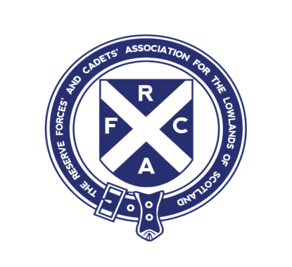 |  |  | Lowland RFCA Dechmont Range and Training Area Booking Form |  |  |  |  |  |  |  |  |  |  | BID NUMBER
 |  |  | Dechmont Rifle Range House, Off Gilbertfield Wynd, Gilbertfield Road Cambuslang. G72 8YP.
 |  |  | Range Control Tel: 0141 641 4898 |  |  |  |  | Email: | dechmont.range@googlemail.com
 |  |  | Range Manager Tel: 07764695185 |  |  |  |  | Email: | lo-fmrange1@rfca.mod.uk
 |  |  | Range Warden Tel: 07584210219 |  |  |  |  |  |  | Date Received at Range Control
 |  |  | Before completing, please read Dechmont Ranges and Training Area Standing Orders found on LRFCA website
 |  |  | Dechmont Range and Training Area - Lowland Reserve Forces & Cadets Association (lowlandrfca.org.uk)
Bookings to be submitted a minimum of 7 days prior to start date. If less than 7 days, contact Range Control for availability.
Live Firing, BR/CLAY/ARCHERY cancellations to be confirmed with at least 48 hours notice of firing date, or earlier if possible.
BID Date |  | Type of Training |  |  | Start date |  | Start time |  | End Date |  | End Time |  | Number of Personnel

Unit Requesting Booking |  |  |  |  |  | Unit Address Including Postcode

POC |  |  | Appointment |  |  | Telephone |  | Mobile |  | Email

Alt POC |  |  | Appointment |  |  | Telephone |  | Mobile |  | Email

Training Area/Range Required Drop Down Menu |  |  |  |  |  |  |  | Date From |  | Start time |  | Date To |  | End Time

Vehicle Type |  |  |  | Qty | Range Target Requirements |  |  |  | Qty | Facility |  | Date From |  | Date To

All completed booking forms are to be sent to Range control and/or the Range Manager. See above for email address.

 | Live Firing |  |  |  |  |  | Adult Fig 11 |  |  |  |  | Toilet block |  | 1
 | Dry Training |  |  |  |  |  | Cadet Fig 11 |  |  |  |  | Classroom |  | 2
 | Live Firing & Dry Training |  |  |  |  |  | Police Fig 11 |  |  |  |  |  |  | 3
 |  |  |  |  |  |  | Target supplied by user |  |  |  |  |  |  | 4
 | Area A Dry Training (Farm Land) |  |  |  |  |  |  |  |  |  |  |  |  | 5
 | Area B Dry Training (Farm Land) |  |  |  |  |  | Cat B - Car |  |  |  |  |  |  | 6
 | Area C Dry Training |  |  |  |  |  | Cat B - Land Rover |  |  |  |  |  |  | 7
 | Area D Dry Training |  |  |  |  |  | Cat B + E - Car and Trailer |  |  |  |  |  |  | 8
 | Area D Clay/Archery Range |  |  |  |  |  | Cat D1 - Minibus |  |  |  |  |  |  | 9
 | Area E Dry Training |  |  |  |  |  | Cat D - Bus |  |  |  |  |  |  | 10
 | Area F Dry Training |  |  |  |  |  | Cat C1 - Van
 | Area F Compound |  |  |  |  |  | Cat C - LGV
 | Area F 25 m Barrack Range |  |  |  |  |  | Cat C+E - LGV and Trailer

